Sheet1
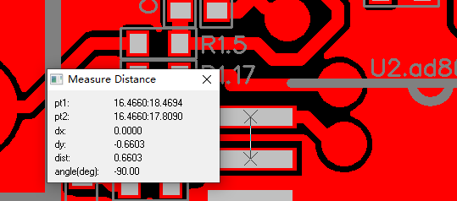
T-1P110W295151A-BOM清单
No. Item | 捷创ID | 型号 Mfg Part | 封装 Package/Footprint | 规格参数 Description / Value | 位号 Designator | 单板用量 Qty per board | 总量 Total Qty | 来料数量 Qty Received | 物料备注 Instructions / Notes | 不良原因 Assembly Question | 是否全部空贴 | 是否少料空贴 | 是否按来料贴 | 是否等补料 | 客户回复 Reply from Customer
1 | W202830-001 | ADS1115IDGSR |  | ADS1115IDGSR | U1.ads1115 | 1 | 1 | 1
2 | W202830-002 | ad8618ad2086429 https://www.mouser.co.uk/ProductDetail/Analog-Devices/AD8618ARUZ-REEL?qs=%2FtpEQrCGXCyqKNk0uxY9fw%3D%3D | SOP65P640X120-14N |  | U2.ad8618 | 1 | 1 | 1 |  | 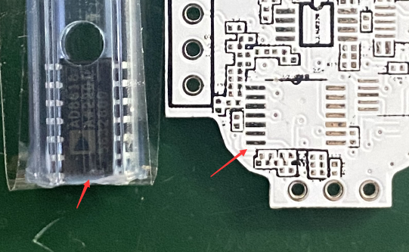 As shown in picture, component is bigger than pads on the board. It can't be soldered. Please check and reply. Repalce for ad8618ad2086429 |  |  |  |  |  | 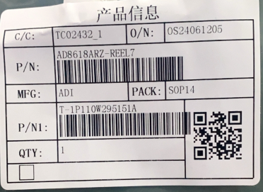 |  |  |  |  |  | 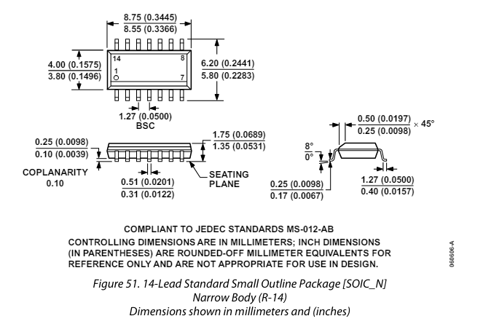
3 | W202830-003 | AD8220WARMZ |  | AD8220WARMZ | U3.AD8220 | 1 | 1 | 1
4 | W202830-004 | OPA2320SAIDGSR | SOP50P490X110-10N |  | U4.OPA-2320 | 1 | 1 | 1 |  | As shown in picture, component is bigger than pads on the board. It can't be soldered. Please check and reply. Replace for OPA2320SAIDGSR | 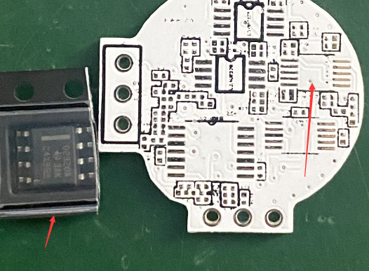 |  |  |  |  | 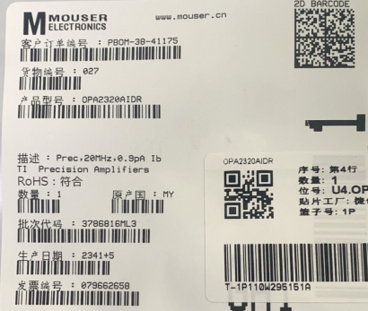 |  | 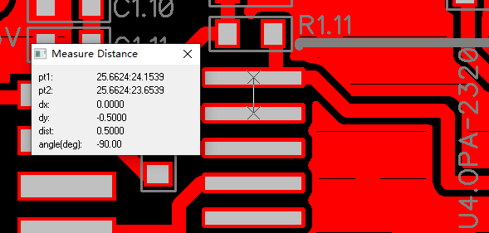 |  |  |  | 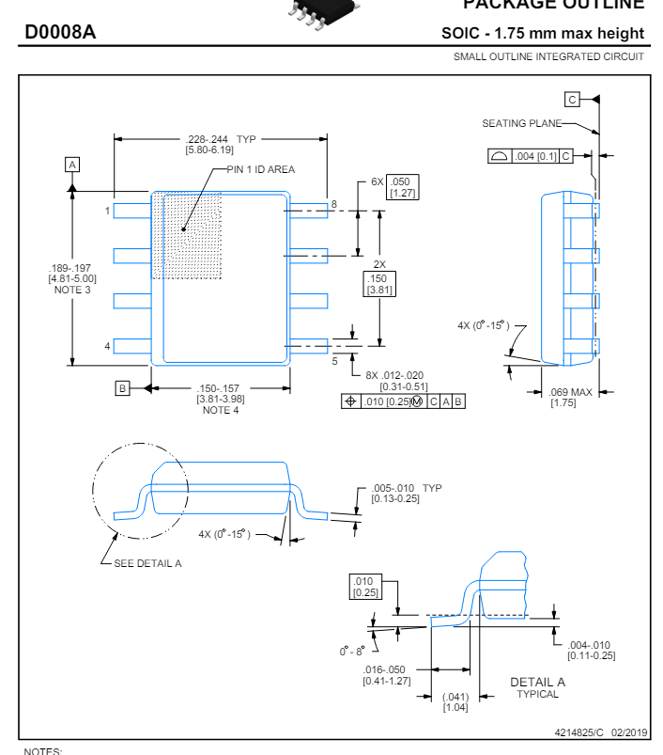
5 | W202830-005 | OP2177ARMZ-R7 | MSOP-8 |  | U5.OP2177 | 1 | 1 | 1 |  | As shown in picture, component is bigger than pads on the board. It can't be soldered. Please check and reply. Replace for OP2177ARMZ-R7 |  | 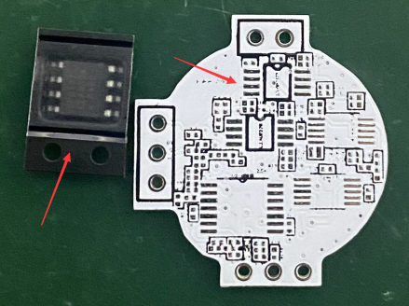 |  |  |  | 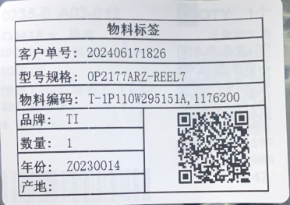 | 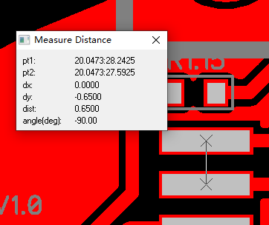 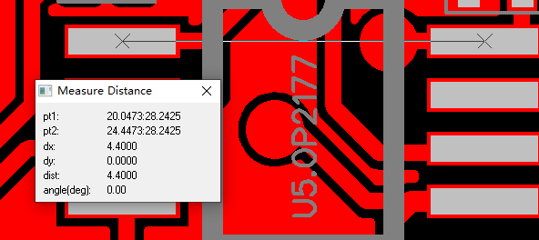 |  |  |  |  |  | 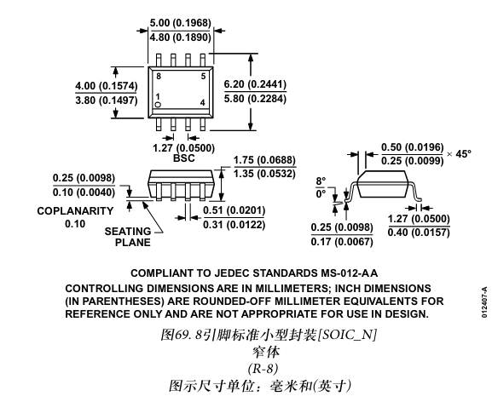
6 | W202830-006 | LT3042IMSE#PBF | MSOP-10 |  | U1.1 | 1 | 1 | 1 |  | As shown in picture, component is bigger than pads on the board. It can't be soldered. And there is no pad in the center on the board. Please check and reply. Replace for LT3042IMSE#PBF |  |  | 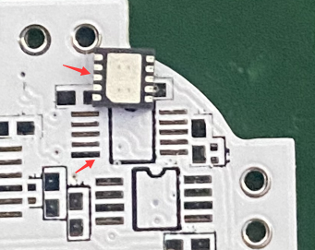 |  |  | 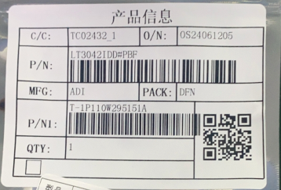 | 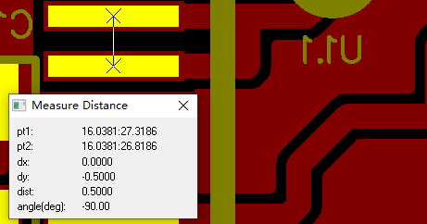 |  | 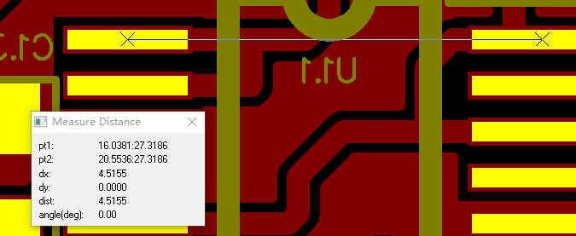 |  |  |  |  |  | 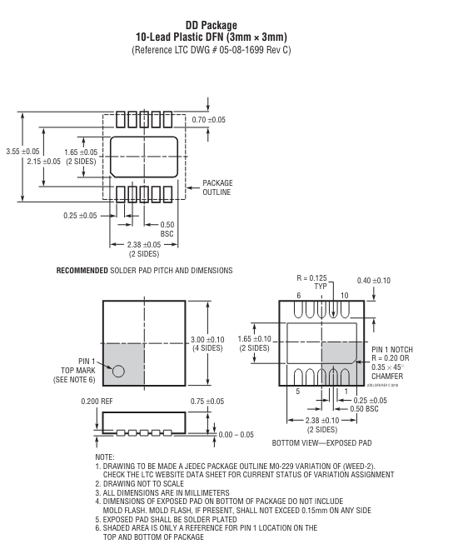
7 | W202830-007 | LM2662MX/NOPB |  | LM2662M | U1.2 | 1 | 1 | 1 |  | As shown in picture, component is bigger than pads on the board. It can't be soldered. Please check and reply. | 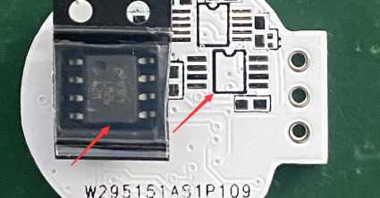 |  |  |  |  | 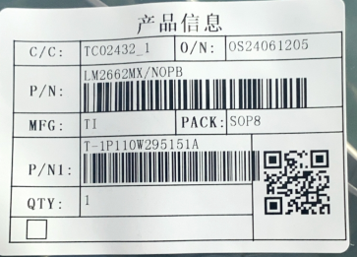 | 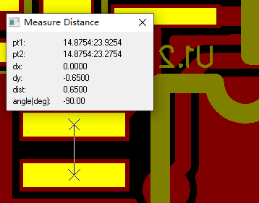 |  |  | 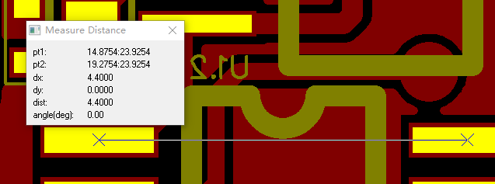 |  |  |  | 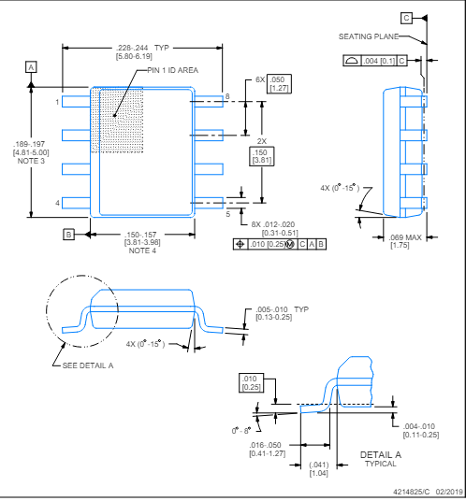
8 | W202830-008 | LT3094IMSE#PBF |  | LT3094IMSE#PBF | U1.3 | 1 | 1 | 1 |  | As shown in attached screenshot, there is no pad on the board in thecenter .Should we solder what we received? Yes, please solder |  | 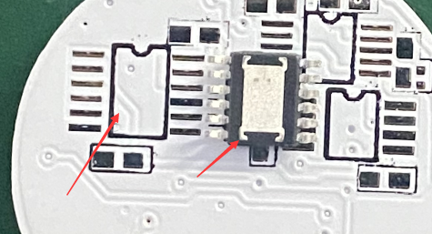 |  |  |  | 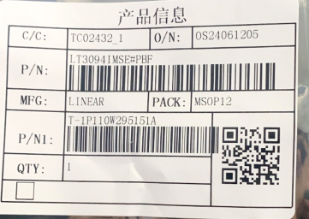 |  | 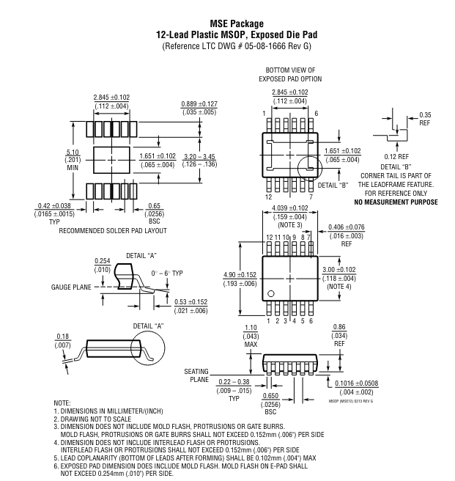 |  |  | 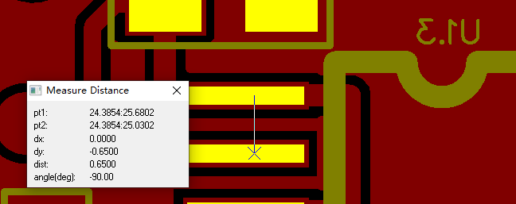 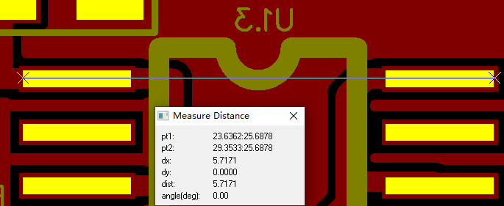
9 | W202830-009 | RC0402FR-0710KL | 0402 | RES 10K OHM 1/8W (also acceptable 1/16W) 1% 0402 SMD | R1.1,R1.5,R1.27,R1.28,R1.29 | 5 | 5 | 10 | 1/16W
10 | W202830-010 | RC0402FR-0724K9L | 0402 | RES 24.9K OHM 1/8W (also acceptable 1/16W) 1% 0402 SMD (or the most close nominal) | R1.2,R1.7,R1.8 | 3 | 3 | 10 | 1/16W
11 | W202830-011 | RC0402FR-0733K2L | 0402 | RES 33.2 K OHM 1/8W (also acceptable 1/16W) 1% 0402 SMD (or the most close nominal) | R1.3,R1.18 | 2 | 2 | 10 | 1/16W
12 | W202830-012 | RC0402FR-0715KL | 0402 | RES 15K OHM 1/8W (also acceptable 1/16W) 1% 0402 SMD | R1.4,R1.6 | 2 | 2 | 10 | 1/16W
13 | W202830-013 | RC0402FR-074K12L | 0402 | RES 4.12K OHM 1/8W (also acceptable 1/16W) 1% 0402 SMD | R1.9 | 1 | 1 | 10 | 1/16W
14 | W202830-014 | RC0402FR-071KL | 0402 | RES 1K OHM 1/8W (also acceptable 1/16W) 1% 0402 SMD | R1.10,R1.13 | 2 | 2 | 10 | 1/16W
15 | W202830-015 | RC0402FR-074K02L | 0402 | RES 4K OHM 1/8W (also acceptable 1/16W) 1% 0402 SMD | R1.11,R1.12 | 2 | 2 | 10 | 4.02K 0402 1/16W，please confirm | What we purchased is RC0402FR-074K02L. It is 4.02K ohm,is it okay for you?You noted is 4Kohm. It is ok |  |  | 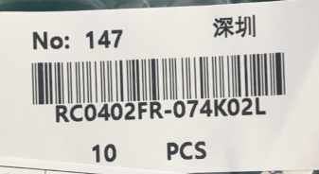 |  |  | 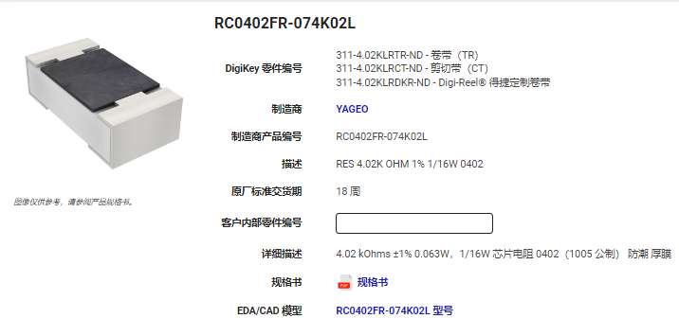
16 | W202830-016 | RC0402FR-0712K7L | 0402 | RES 12.7K OHM 1/8W (also acceptable 1/16W) 1% 0402 SMD | R1.14 | 1 | 1 | 10 | 1/16W
17 | W202830-017 | RC0402FR-07499KL | 0402 | RES 499K OHM 1/8W (also acceptable 1/16W) 1% 0402 SMD | R1.15 | 1 | 1 | 10 | 1/16W
18 | W202830-018 | RC0402FR-07866KL | 0402 | RES 866K OHM 1/8W (also acceptable 1/16W) 1% 0402 SMD | R1.16 | 1 | 1 | 10 | 1/16W
19 | W202830-019 | RC0402FR-0713K3L | 0402 | RES 13.3K OHM 1/8W (also acceptable 1/16W) 1% 0402 SMD | R1.17,R1.21 | 2 | 2 | 10 | 1/16W
20 | W202830-020 | RC0402FR-0726K7L | 0402 | RES 26.7K OHM 1/8W (also acceptable 1/16W) 1% 0402 SMD | R1.19 | 1 | 1 | 10 | 1/16W
21 | W202830-021 | RC0402FR-078K25L | 0402 | RES 8.25K OHM 1/8W (also acceptable 1/16W) 1% 0402 SMD | R1.20 | 1 | 1 | 10 | 1/16W
22 | W202830-022 | RC0402FR-0726K1L | 0402 | RES 26.1K OHM 1/8W (also acceptable 1/16W) 1% 0402 SMD | R1.22 | 1 | 1 | 10 | 1/16W
23 | W202830-023 | RC0402FR-073K01L | 0402 | RES 3.01K OHM 1/8W (also acceptable 1/16W) 1% 0402 SMD | R1.23 | 1 | 1 | 10 | 1/16W
24 | W202830-024 | RC0402FR-079K31L | 0402 | RES 9.31K OHM 1/8W (also acceptable 1/16W) 1% 0402 SMD | R1.24 | 1 | 1 | 10 | 1/16W
25 | W202830-025 | RC0402FR-074K75L | 0402 | RES 4.75K OHM 1/8W (also acceptable 1/16W) 1% 0402 SMD | R1.25 | 1 | 1 | 10 | 1/16W
26 | W202830-026 | RC0402FR-070RL | 0402 | RES 0K OHM 1/8W (also acceptable 1/16W) 1% 0402 SMD | R1.26 | 1 | 1 | 10 | 1/16W ；规格不一致？
27 | W202830-027 | CL05A475MO5NUNC | 0402 | CAP CER 4.7μF 16V X7R (C0G) 0402 | C1.1,C1.2,C1.4,C1.5,C1.6,C1.7,C1.8,C1.10,C1.13,C1.15,C1.16,C1.31,C1.19,C1.21,C1.30,C1.33,C1.32 | 17 | 17 | 40 | 4.7uF 16V X5R 0402，please confirm
28 | W202830-028 | GRM155R71C474KE01D | 0402 | CAP CER 0.47μF 16V X7R (C0G) 0402 | C1.3 | 1 | 1 | 10 | 0.47uF 16V X7R 0402，please confirm
29 | W202830-029 | CC0402KRNPO7BN100 | 0402 | CAP CER 10pF 16V X7R (C0G) 0402 | C1.9 | 1 | 1 | 10 | 10pF 16V C0G 0402，please confirm
30 | W202830-030 | CC0402KRX7R7BB103 | 0402 | CAP CER 0.01μF 16V X7R (C0G) 0402 | C1.11,C1.12,C1.17,C1.14,C1.18,C1.20,C1.29 | 7 | 7 | 20 | 0.01uF 16V X7R 0402，please confirm
31 | W202830-031 | CC0402JRNPO9BN680 | 0402 | CAP CER 68pF 16V X7R (C0G) 0402 | C1.22 | 1 | 1 | 10 | 68pF 50V C0G 0402，please confirm
32 | W202830-032 | CL05A105KO5NNNC | 0402 | CAP CER 1μF 16V X7R (C0G) 0402 | C1.24,C1.23,C1.25,C1.26,C1.27,C1.28 | 6 | 6 | 20 | 1uF 16V X5R 0402，please confirm
33 | W202830-033 | 16-213/GHC-YR1S1/3T | 0402 | 16-213/GHC-YR1S1/3T | D1.1,D1.2,D1.3 | 3 | 3 | 10
IQC备注

